ex1
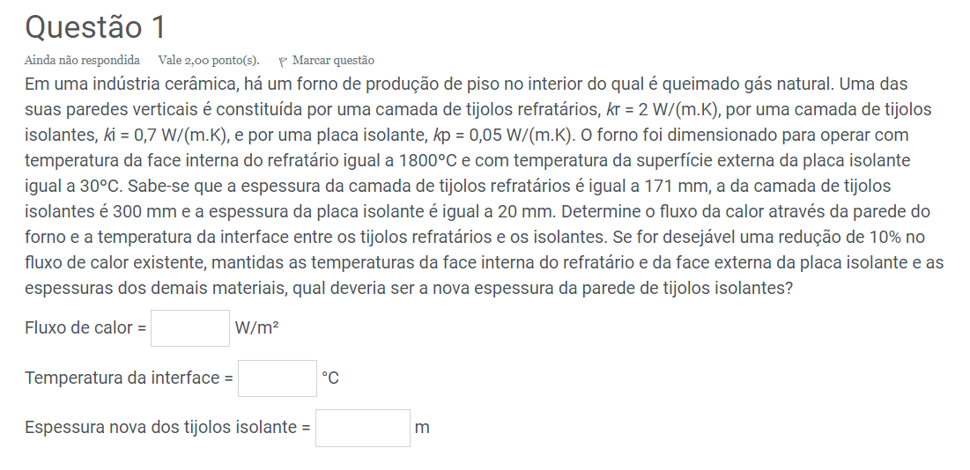
kr= | 2 | W/m.K
ki= | 0.7 | W/m.K
kp= | 0.05 | W/m.K
Ti= | 1800 | °C
Te= | 30 | °C
e= | 171 | mm | 0.171 | m
eiso= | 300 | mm | 0.3 | m
ep= | 20 | mm | 0.02 | m
reducao= | 0.1 | --

Q''= | 1936.39 | W/m² |  | Calculos auxiliares
 |  |  |  | Rr= | 0.0855
T1= | 1634.44 | °C |  |  | 165.56145972

novoQ''= | 1742.7522075 | W/m²

e= | 0.37 | m

ex2
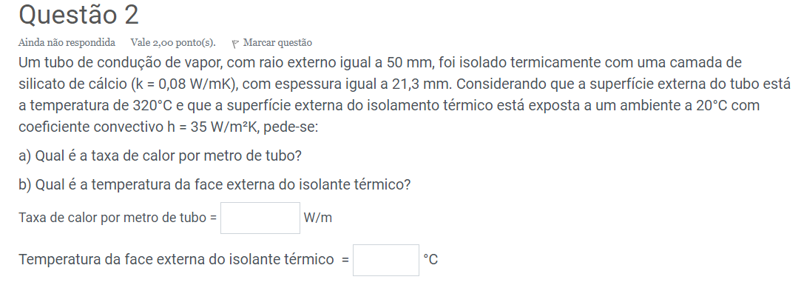
re= | 50 | mm | 0.05 | m
k= | 0.08 | W/m.K
e= | 21.3 | mm | 0.0213 | m
te= | 320 | °C
ti= | 20 | °C
h= | 35 | W/m²K

Calculos auxiliares
re= | 0.0713 | m
Rcond*L= | 0.70599804208
Rconv*L= | 0.063776775433
Req*L= | 0.76977481751

Q*L= | 389.72 | W/m
T1= | 44.86 | °C

ex3
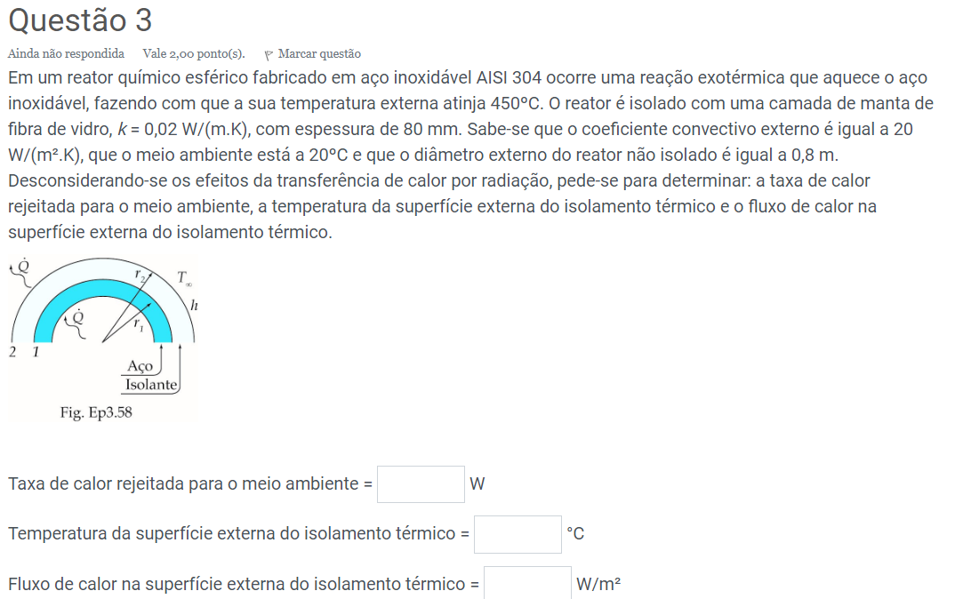
te= | 450 | °C
k= | 0.02 | W/m.K
e= | 80 | mm | 0.08 | m
h= | 20 | W/m²K
Tar= | 20 | °C
de= | 0.8 | m

Calculos auxiliares
rreator= | 0.4 | m
riso= | 0.48 | m
R1cond= | 1.6578639905
R3conv= | 0.017269416568
Req= | 1.6751334071

Q_ponto= | 256.70 | W
 |  |  | outro jeito
T= | 24.43 | °C | 24.43

A1= | 2.0106192983 | m
A2= | 2.8952917895 | m

Q"= | 88.66 | W/m²

ex4
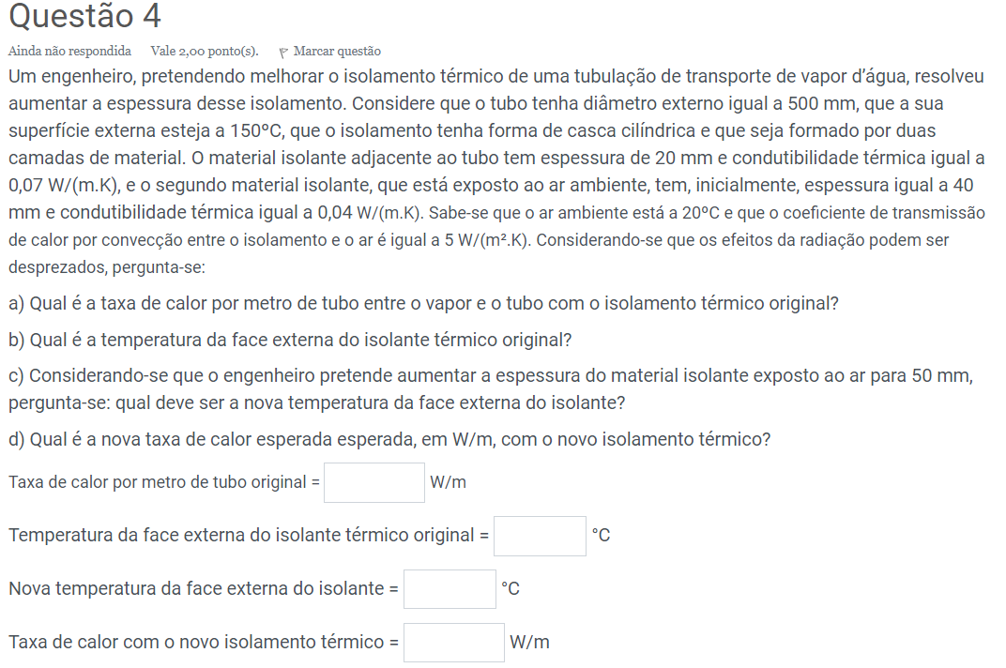
dtubo= | 500 | mm | 0.5 | m
Tse= | 150 | °C
e= | 20 | mm | 0.02 | m
k1= | 0.07 | W/m.K
eiso= | 40 | mm | 0.04 | m
k2= | 0.04 | W/m.K
Tar= | 20 | °C
h= | 5 | W/m²K
enovo= | 50 | mm | 0.05 | m

Calculos auxiliares
rtubo= | 0.25 | m
r2= | 0.27 | m
r3= | 0.31 | m
R1*L= | 0.17498185889
R2*L= | 0.54968273148
R3*L= | 0.10268060845
Req*L= | 0.82734519881
r3novo= | 0.32 | m
R2novo= | 0.67600678831
R3Novo= | 0.099471839432
Reqnovo= | 0.95046048664

Q_ponto= | 157.13 | W/m

Text= | 36.13 | °C

Qnovo= | 136.78 | W/m

Textnovo= | 33.61 | °C

ex5
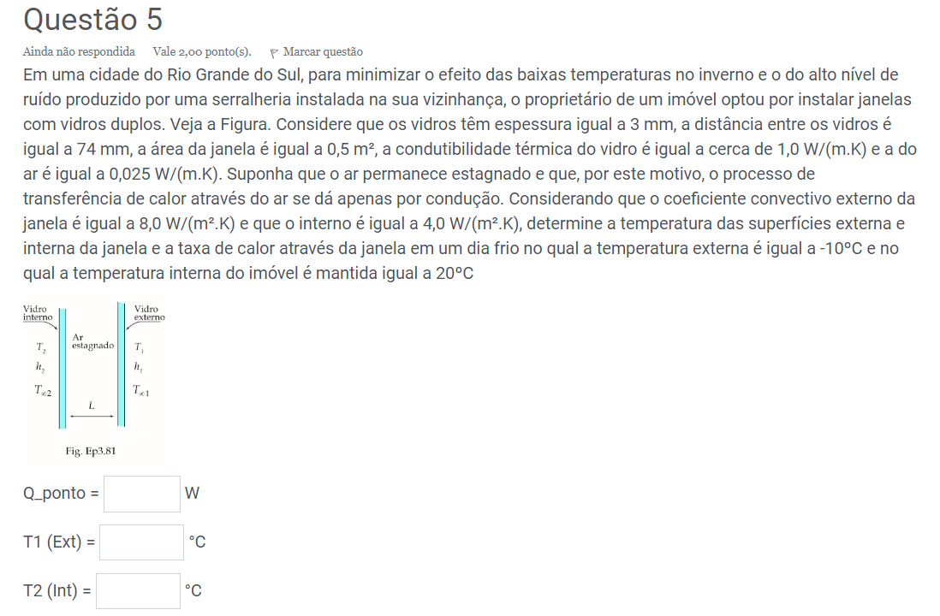
e= | 3 | mm | 0.003 | m
L= | 74 | mm | 0.074 | m
A= | 0.5 | m²
kv= | 1 | W/m.k
kar= | 0.025 | W/m.k
he= | 8 | W/m²K
hi= | 4 | W/m²K
Te= | -10 | °C
Ti= | 20 | °C

Calculos auxiliares
Rconv1= | 0.5
Rcond2= | 0.006
Rcond3= | 5.92
Rcond4= | 0.006
Rconv5= | 0.25
Req= | 6.682

Q_ponto= | 4.49 | W

T2= | 17.76 | °C

T1= | -8.88 | °C

